D1
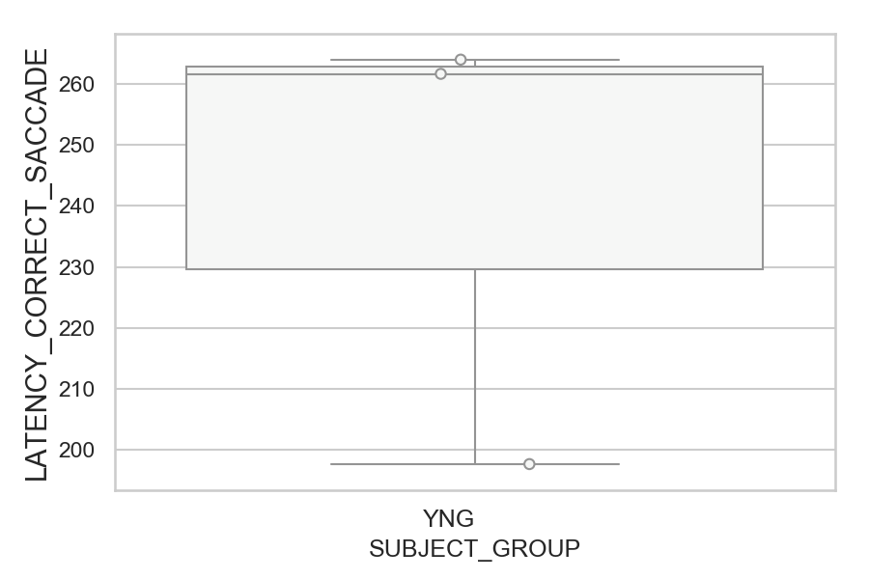
Latency of the first correct saccade after target onset (ms)(mean latency of all trials per subject)
SUBJECT_NAME | SUBJECT_GROUP | SUBJECT_AGE | VALUE
AW002AF | YNG | 19 | 264
MP1 | YNG |  | 261.66666667
AW001CG | YNG | 19 | 197.65853659

D1 (types)
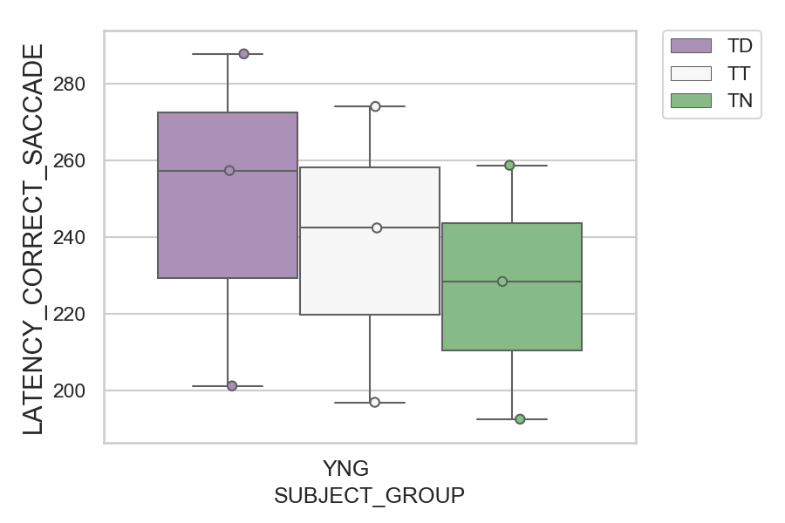
Latency of the first correct saccade after target onset (ms)(mean latency of all trials per subject)
SUBJECT_NAME | SUBJECT_GROUP | CONDITION_APPEARANCE | SUBJECT_AGE | VALUE
AW002AF | YNG | TD | 19 | 287.72727273
MP1 | YNG | TT |  | 274
MP1 | YNG | TN |  | 258.66666667
MP1 | YNG | TD |  | 257.3
AW002AF | YNG | TT | 19 | 242.33333333
AW002AF | YNG | TN | 19 | 228.36363636
AW001CG | YNG | TD | 19 | 201.14285714
AW001CG | YNG | TT | 19 | 196.85714286
AW001CG | YNG | TN | 19 | 192.46153846

D2
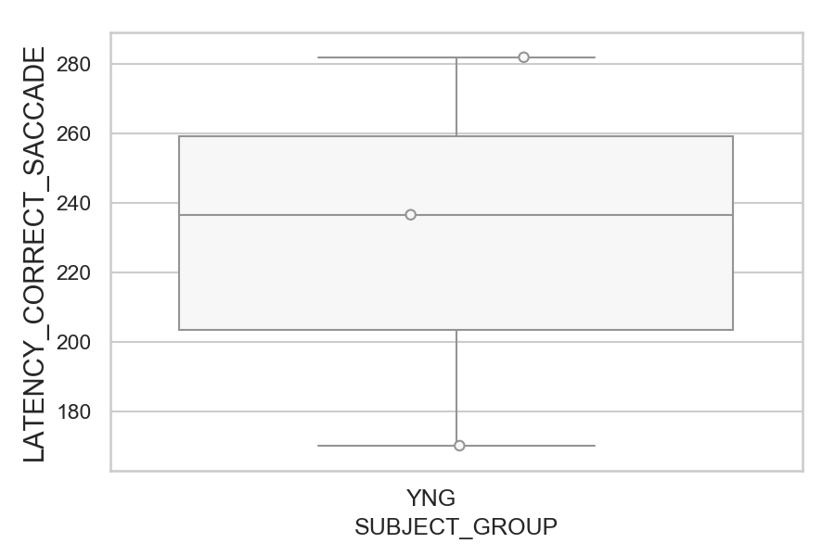
Latency of the first correct saccade after target onset (ms)(mean latency of all trials per subject)
SUBJECT_NAME | SUBJECT_GROUP | SUBJECT_AGE | VALUE
AW002AF | YNG | 19 | 281.92156863
MP1 | YNG |  | 236.57692308
AW001CG | YNG | 19 | 170.07843137

D2 (types)
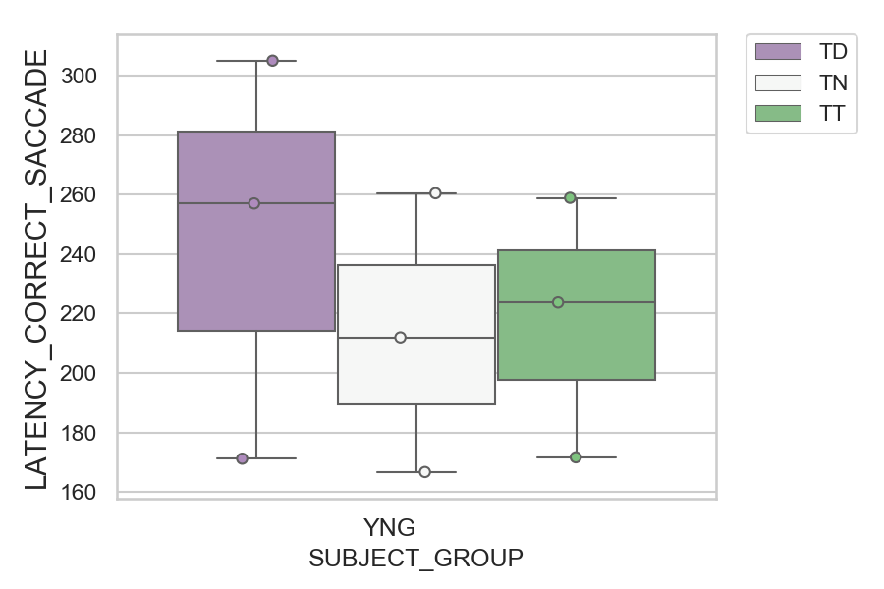
Latency of the first correct saccade after target onset (ms)(mean latency of all trials per subject)
SUBJECT_NAME | SUBJECT_GROUP | CONDITION_APPEARANCE | SUBJECT_AGE | VALUE
AW002AF | YNG | TD | 19 | 305.04
AW002AF | YNG | TN | 19 | 260.46153846
AW002AF | YNG | TT | 19 | 258.92307692
MP1 | YNG | TD |  | 257.04
MP1 | YNG | TT |  | 223.69230769
MP1 | YNG | TN |  | 212
AW001CG | YNG | TT | 19 | 171.66666667
AW001CG | YNG | TD | 19 | 171.2
AW001CG | YNG | TN | 19 | 166.71428571

D2 (no D1 failed)
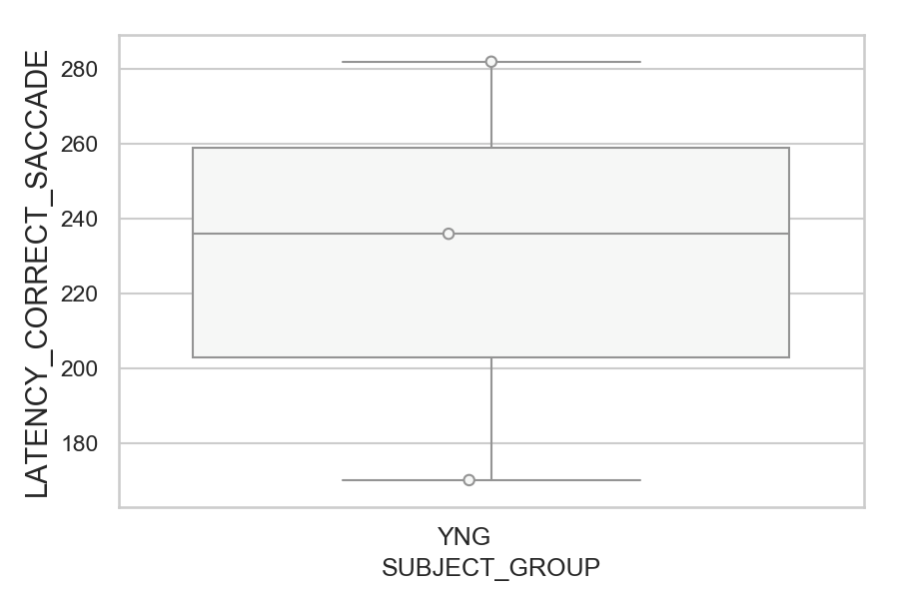
Latency of the first correct saccade after target onset (ms)(mean latency of all trials per subject)
SUBJECT_NAME | SUBJECT_GROUP | SUBJECT_AGE | VALUE
AW002AF | YNG | 19 | 281.92156863
MP1 | YNG |  | 235.92
AW001CG | YNG | 19 | 170.07843137

D2 (no D1 failed) (types)
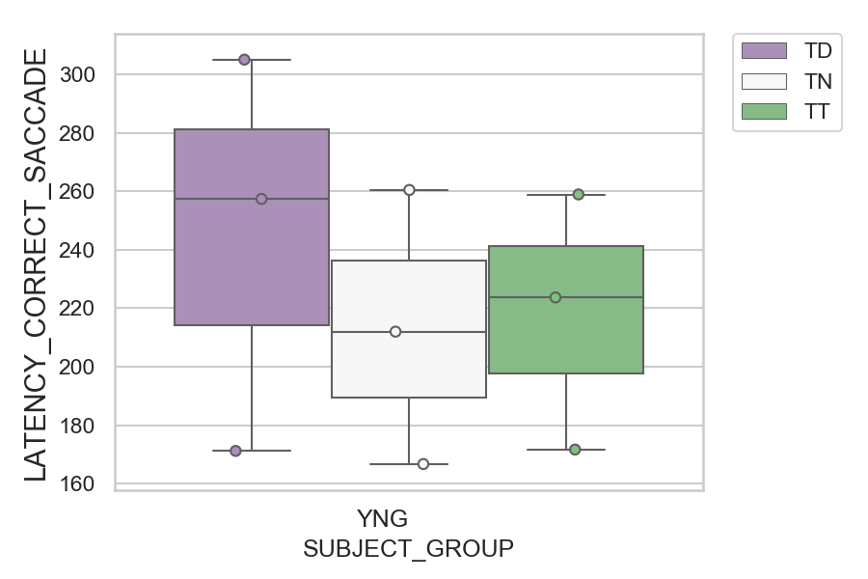
Latency of the first correct saccade after target onset (ms)(mean latency of all trials per subject)
SUBJECT_NAME | SUBJECT_GROUP | CONDITION_APPEARANCE | SUBJECT_AGE | VALUE
AW002AF | YNG | TD | 19 | 305.04
AW002AF | YNG | TN | 19 | 260.46153846
AW002AF | YNG | TT | 19 | 258.92307692
MP1 | YNG | TD |  | 257.39130435
MP1 | YNG | TT |  | 223.69230769
MP1 | YNG | TN |  | 212
AW001CG | YNG | TT | 19 | 171.66666667
AW001CG | YNG | TD | 19 | 171.2
AW001CG | YNG | TN | 19 | 166.71428571

